Types of Charts
1) Questions and Answers | Answer
1. Which one of the following charts generated from a football statistics spreadsheet could compare the performance of the team from year to year? | B. Histogram
A. Bar
B. Histogram
C. Pie
D. Scattergram
2. Which chart will show the direction of change in numbers over a period of time by connecting data points? | B. Line
A. Bar
B. Line
C. Pie
D. Scattergram
3. Which chart can track and compare measurements, such as temperature, and show trends and comparisons? | B. Line
A. Bar
B. Line
C. Pie
D. Scattergram
4. Which type of chart displays bars side by side? | A. Bar
A. Bar
B. Line
C. Pie
D. Scattergram
5. Which chart generated from spreadsheet data would campare values that represent parts of a whole? | C. Pie
A. Bar
B. Line
C. Pie
D. Scattergram
6. The three types of charts generally used to illustrated spreadsheets are: | D. Bar, line, and pie.
A. Bar, line, and scattergram.
B. Line, pie and area.
C. Pie, scattergram, stacked bar.
D. Bar, line, and pie.
7 The best type of chart to compare individual values to each other is: | B. Line
A. Bar
B. Line
C. Pie
D. Scattergram
8.Bar charts are MOST effectively used to: | B. Compare groups of data.
A. Present scientific data.
B. Compare groups of data.
C. Show parts of a whole.
D. Show activity of an item over a period of time.
9.The best type of chart to show the relationship of each part to the whole is: | C. Pie
A. Bar
B. Line
C. Pie
D. Scattergram
10.The chart that uses connecting dots to show changes over a period of time is called: | B. Line
A. Bar
B. Line
C. Pie
D. Scattergram

2) Attempt this online Quiz
https://www.quia.com/quiz/760453.html?AP_rand=1065922549 | Yes, attempted
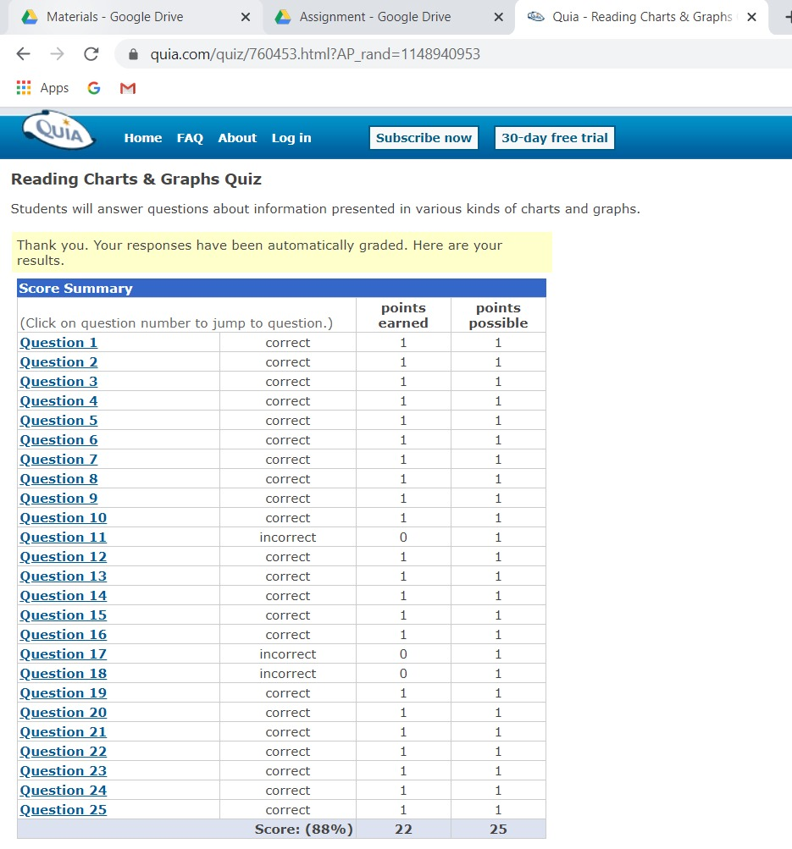

3) Interpret charts using this quiz
http://downloads.bbc.co.uk/skillswise/maths/ma37grap/quiz/ma37grap-l1-quiz.pdf

Level A | Answer
1 | C) August
2 | B) February
3 | B) False
4 | A) Nissan
5 | C) Vauxhall and Peugeot
6 | C) Jaguar
7 | A) working
8 | B) False
9 | B) False
10 | B) getting dressed

Level B | Answer
1 | D.
2 | A.
3 | C.
4 | C.
5 | A) Northern Ireland
6 | C) 4
7 | D) United Kingdom and the Republic of Ireland
8 | A) True
9 | C) Adult Community Care
10 | B) more than on Children and Families

Level C | Answer
1 | B) Brown
2 | C) Red
3 | B) 2
4 | D) 13
5 | A) The number of learners we’ve had in our college has dropped significantly over the last five years
6 | B) 15
7 | A) True
8 | C) There has been no significant change in the number of learners in the last five years
9 | C) 550
10 | C) 510

